Sheet1
Problem Statement 1: How-to-count-distance-to-the-previous-zero For each value, count the difference of the distance from the previous zero (or the start of the Series, whichever is closer) and if there are no previous zeros,print the position Consider a DataFrame df where there is an integer column {'X':[7, 2, 0, 3, 4, 2, 5, 0, 3, 4]} The values should therefore be [1, 2, 0, 1, 2, 3, 4, 0, 1, 2]. Make this a new column 'Y'. import pandas as pd df = pd.DataFrame({'X': [7, 2, 0, 3, 4, 2, 5, 0, 3, 4]})
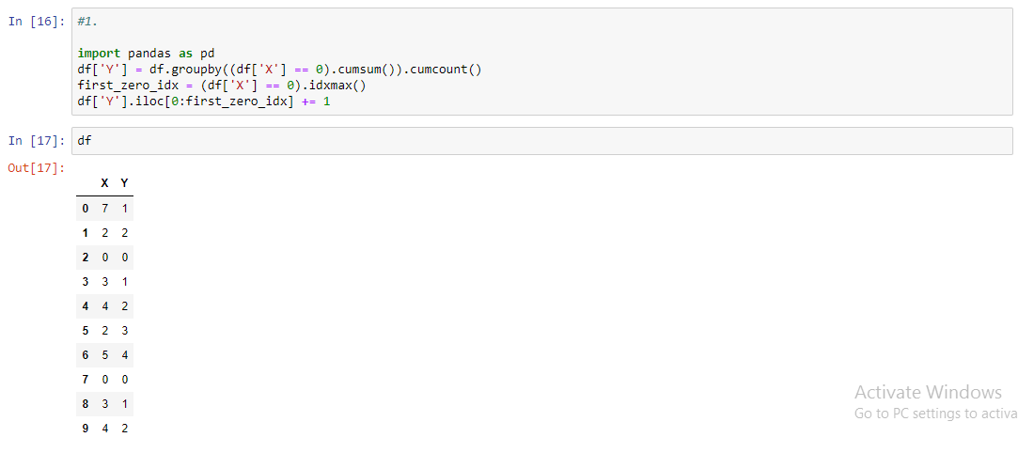

Problem Statement 2: Create a DatetimeIndex that contains each business day of 2015 and use it to index a Series of random numbers.

Problem Statement 3: Find the sum of the values in s for every Wednesday

Problem Statement 4: Average For each calendar month

Problem Statement 5: For each group of four consecutive calendar months in s, find the date on which the highest value occurred.

